BFE Interpolation Tool (1D)
BFE Interpolation Tool (1D)
Use this tab when the modeling was completed with 1-dimensional (1D) methods and water surface elevation (WSEL) data is available either from the FEMA DFIRM Database, a HEC-RAS model, or report maps and tables.

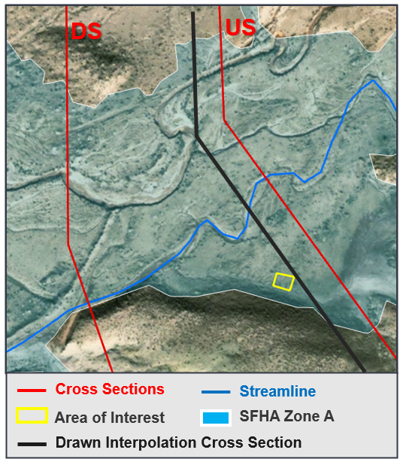
Stream | Flooding Creek |  |  | < HINT - Locate stream name with WTR_LN () or XS () fields
Model | FLD-CK_Mainline |  |  | < HINT - What is the engineering file name (Models - Project file has a .prj extension)
Profile | 1PCT - 100 Year |  |  | < HINT - What engineering model profile is associated with the 1% (usually named 1PCT or 1%)

 |  |  | Measured Distance from US XS to New XS
 |  |  |  | 160.1
UPSTREAM CROSS SECTION |  |  | INTERPOLATED CROSS SECTION |  |  | DOWNSTREAM CROSS SECTION
Stream Station | 8202.367 |  | Stream Station | 8042.267 |  | Stream Station - BLE | 7791.151
Stream_STN |  |  | CALCULATED |  |  | Stream_STN

Water Surface Elevation (WSEL) | 6084.62 |  | BFE at AOI | 6083.17 |  | Water Surface Elevation (WSEL) | 6080.89
WSEL_REG |  |  | CALCULATED |  |  | WSEL_REG

 |  |  | Difference (STN) | 411.216
 |  |  | Difference (WSEL) | 3.73
 |  |  | Change Increment | 0.009
 |  |  | WSEL Value | 1.452

Enter values in cells which are outlined |  |  |  |  |  |  |  | Figure 1 - Example of input data
Do not modify cells that are shaded, these are set up with formulas
Instructions for Use
Interpolate a Base Flood Elevation
1 | Load the following datasets into a GIS viewing tool
 | AOI | Area of Interest - structure in question, development plot, etc. This can be loaded in or identified in a GIS basemap
 | Cross Sections | S_XS in the DFIRM database, Cross Sections in RasMapper, or cross sections identified in a report map/table
 | Streamline | S_WTR_LN or S_Profil_Basln in the DFIRM database, Rivers in RasMapper, or the stream line identified in a report map/table
2 | Identify two analysis cross-sections, that straddle the upstream side of the AOI in question
 | Hint - Upstream most cross-section will have a higher Stream_STN value than the downstream cross-section
3 | Use the S_XS spatial file, HEC-RAS results table, or report map/table to identify the four values below and enter them in the cells identified above
 | Upstream XS | > | Stream_STN | > | Enter value in cell | B12
 | Upstream XS | > | WSEL_REG | > | Enter value in cell | B15
 | Downstream XS | > | Stream_STN | > | Enter value in cell | H12
 | Downstream XS | > | WSEL_REG | > | Enter value in cell | H15
 | Hint - If stream stationing data is not provided, enter 0 for the downstream station. Measure the distance along the streamline from the downstream cross section to the upstream cross section and use this distance as the upstream station.
4 | Draw a cross-section for reference at the UPSTREAM most point of the structure in question
 | Hint - By locating the upstream most point of a structure, you will identify the highest Base Flood Elevation the structure will experience
5 | Along the stream line, measure from the Upstream cross-section to the new cross-section you have identified, note this value in CELL E10 above
 | Hint - Assure value entered is measured from UPSTREAM XS to NEW cross-section
6 | The stationing and estimated base flood elevation will be calculated for you and made available in column E

BFE Interpolation Tool (2D)
BFE Interpolation Tool - (2D)
Use this tab when the modeling was completed with 2-dimensional (2D) methods and water surface elevation (WSEL) data is available either from the FEMA DFIRM Database, a 2D HEC-RAS model, or contours of the WSEL shown on report maps and tables.

Stream | Flooding Creek |  |  | < HINT - Locate stream name
Model | FLD-CK_Mainline |  |  | < HINT - What is the engineering file name (Models - Project file has a .prj extension)
Profile | 1PCT - 100 Year |  |  | < HINT - What engineering model profile is associated with the 1% (usually named 1PCT or 1%)

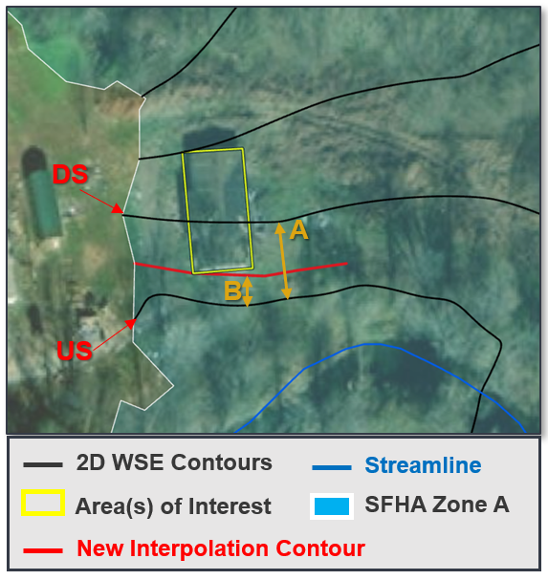
INPUTS |  |  | RESULTS
US Water Surface Elevation (WSEL) | 102.9 |  | BFE at AOI | 102.47

DS Water Surface Elevation (WSEL) | 101.6 |  | INTERMEDIATE CALCULATIONS
 |  |  | Difference (WSEL) | 1.3
 |  |  | Change Increment | 0.001
Distance from US to DS contour (A) | 1200 |  | WSEL Change | 0.433

Measured Distance from US to New (B) | 400

Enter values in cells which are outlined
Do not modify cells that are shaded, these are set up with formulas |  |  |  |  |  | Figure 1 - Example of contours and measured distances A and B
Instructions for Use
Interpolate a Base Flood Elevation
1 | Load the following datasets into a GIS viewing tool
 | AOI | Area of Interest - structure in question, development plot, etc. This can be loaded in or identified in a GIS basemap
 | WSEL Contours | S_BFE or S_XS in DFIRM database, contours of WSE_Max in RasMapper, or WSEL contours from a report map
2 | Identify two WSEL contours, that straddle the upstream side of the AOI in question
 | Hint - Upstream most cross-section will have a higher Stream_STN value than the downstream cross-section
3 | Use the S_BFE or S_XS in DFIRM database, contours of WSE_Max in RasMapper, or WSEL contours from a report map to identify the WSEL for the upstream and downstream contours and enter them in the appropriate cells above
 | Upstream Contour WSEL | > | WSEL_REG | > | Enter value in cell | B11
 | Downstream Contour WSEL | > | WSEL_REG | > | Enter value in cell | B14
 | Distance between upstream and downstream contours | > | Measured distance (A) from Figure 1 | > | Enter value in cell | B17
4 | Draw a new Contour (interpolation contour) for reference at the UPSTREAM most point of the structure in question
 | Hint - By locating the upstream most point of a structure, you will identify the highest Base Flood Elevation the structure will experience
5 | Measure the distance from the upstream contour to the new interpolation contour and enter in the appropriate cell above
 | Distance between upstream and new contours | > | Measured distance (B) from Figure 1 | > | Enter value in cell | B20
 | Hint - Assure value entered is measured from UPSTREAM contour to NEW contour
6 | The BFE at the area of interest is calculated in cell E11

